Sheet1
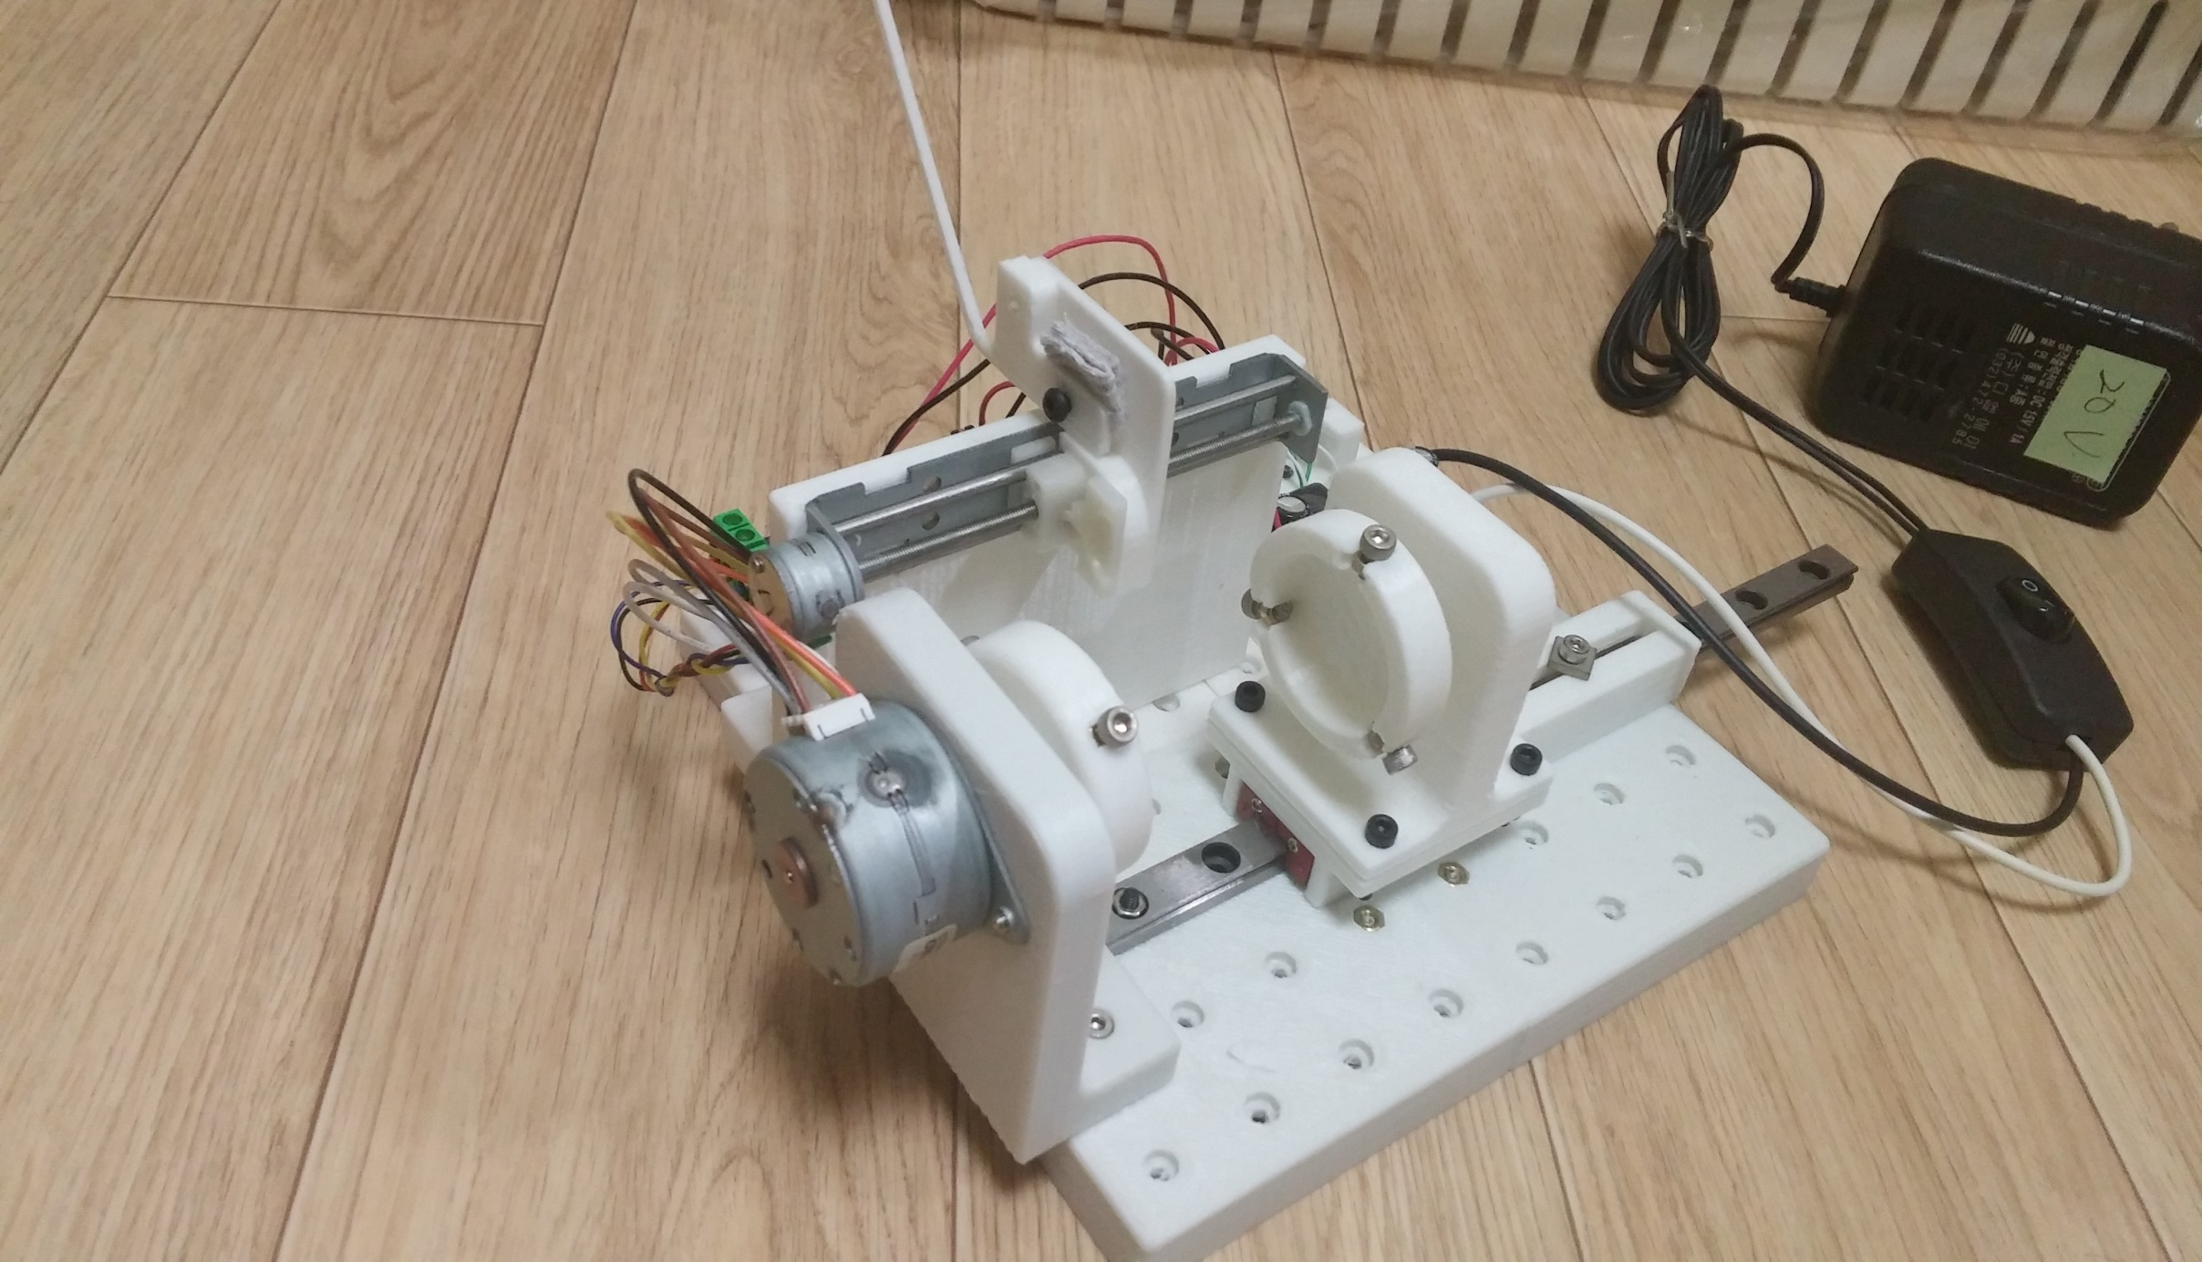
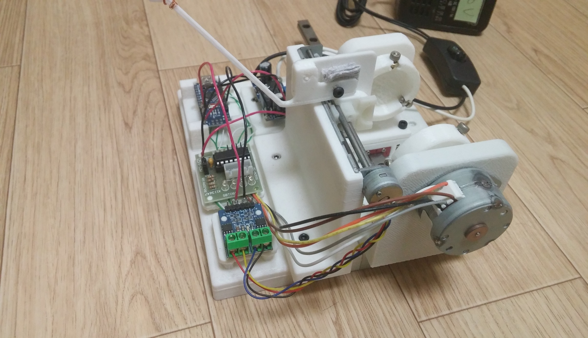
1. Coil Winder

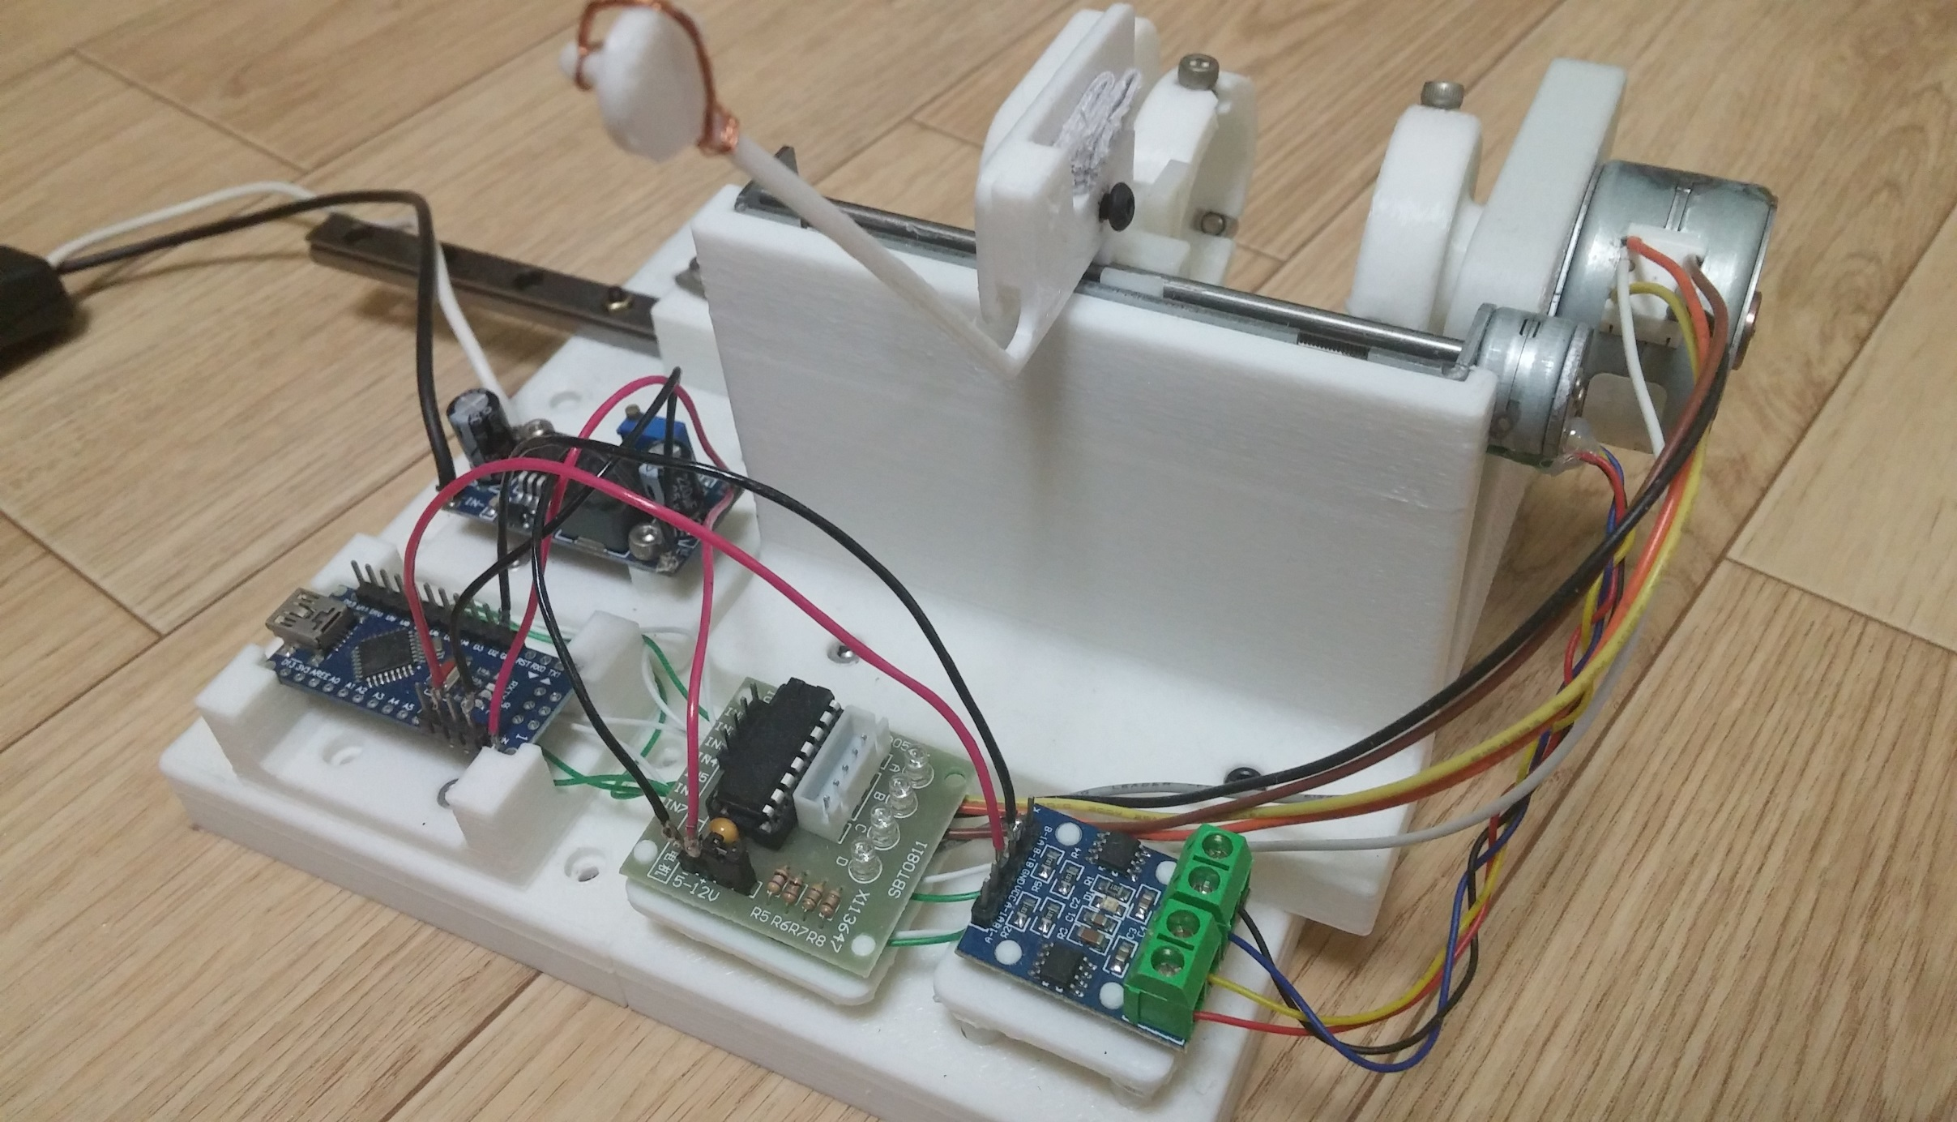
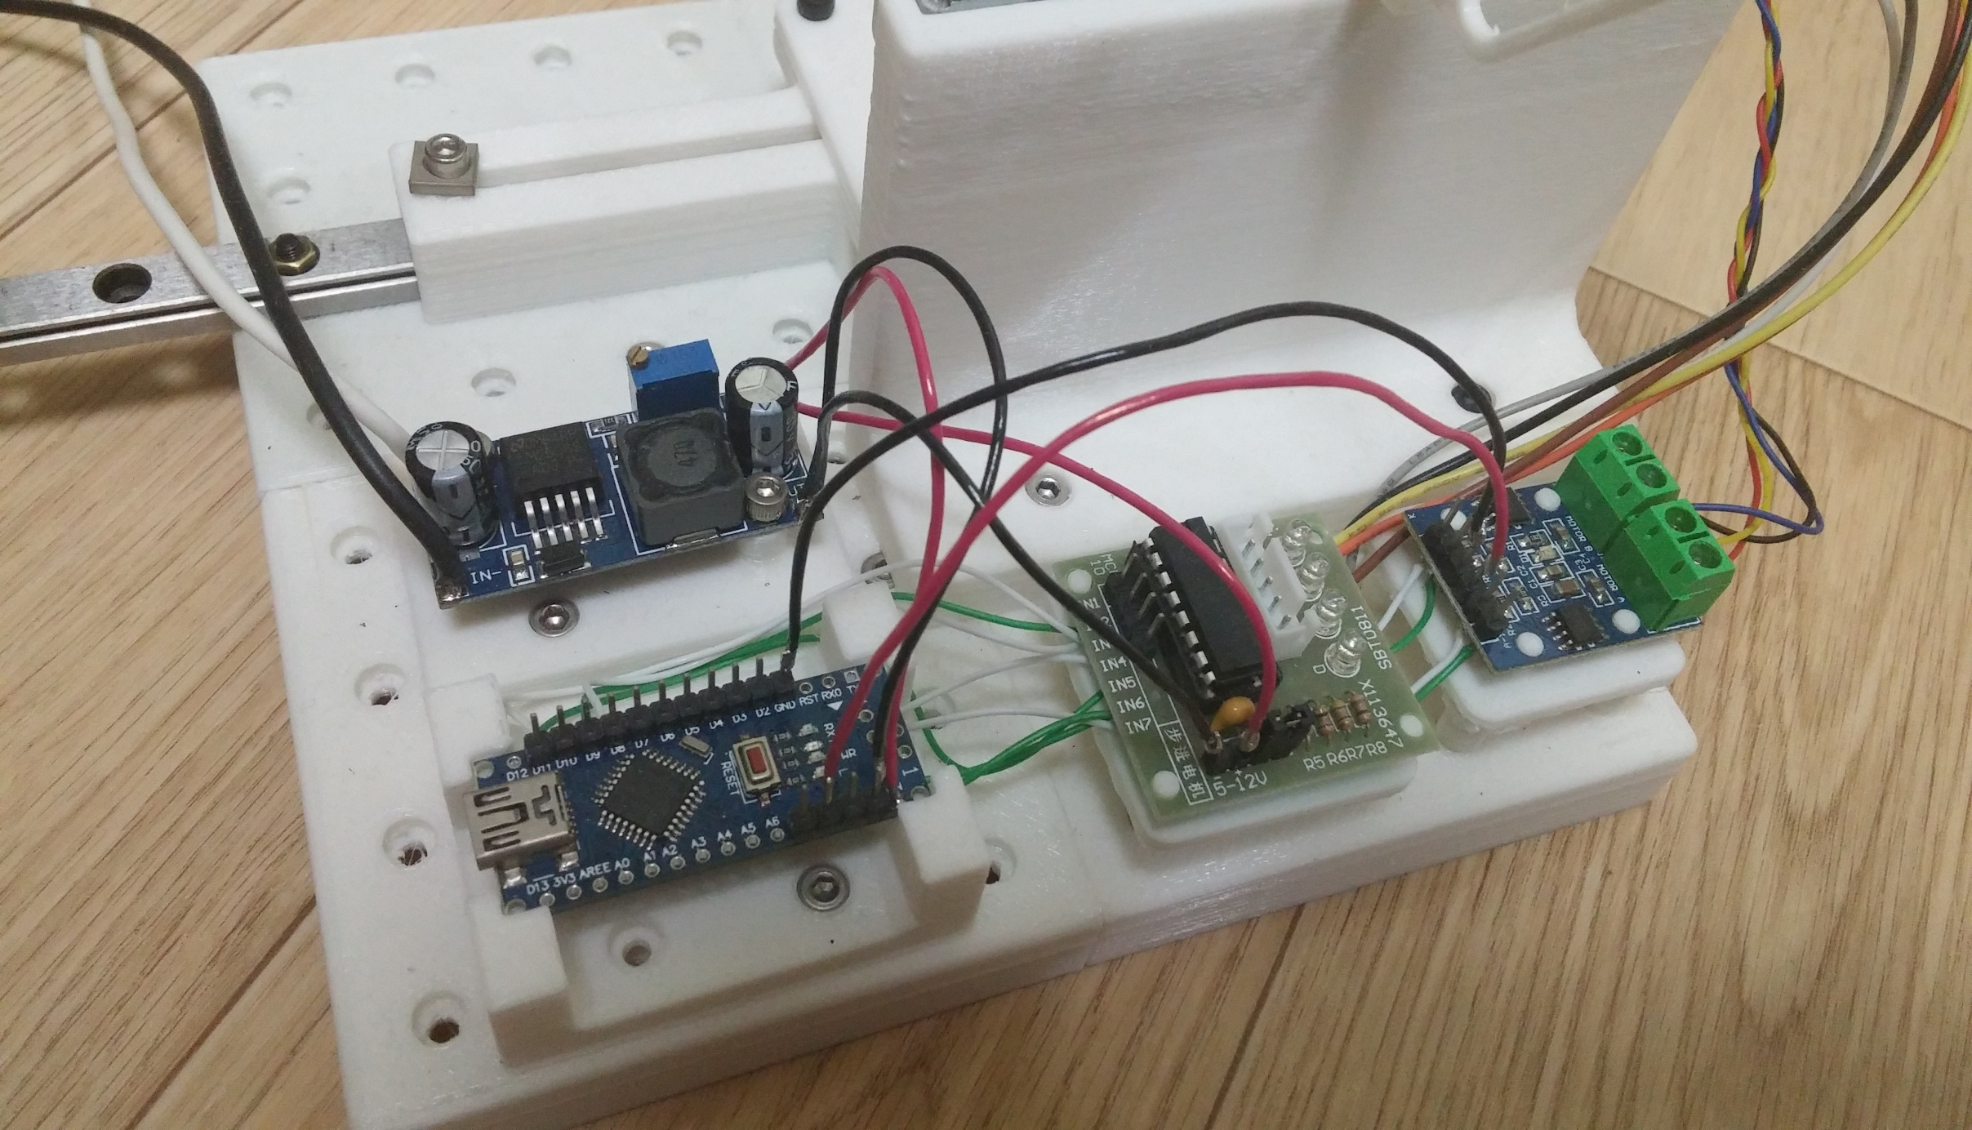
KHL35LL16J

LM2596 DC-DC Down Convertor

Slider Motor
Arduino-Nano

ULN2003
L9110 H-bridge

